Sheet1
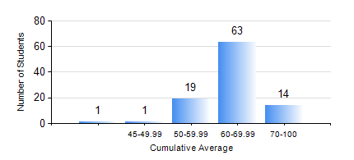
 |  |  | KWAME NKRUMAH UNIVERSITY OF SCIENCE AND TECHNOLOGY, KUMASI Department of Chemical Engineering

 |  |  | BSC. PETROCHEMICAL ENG.

 |  |  | COMPREHENSIVE RECORD OF EXAMINATION RESULTS

 |  |  | RESULTS OF YEAR 4 SECOND SEMESTER, 2019/2020 ACADEMIC YEAR

 | Sn | Course Code |  | Course Name | Credit Hours | Min. Mark | Max. Mark | Avg. Mark | Std. Dev. | No. Passed | No. Trailed | No. (Df) | No. (I) | No. (I*) | No. Tagged(I,I*,Df) | Total
 | 1. | CHE 366 |  | RENEWABLE ENERGY RESOURCES | 2 | 59 | 59 | 59 | 0 | 1 | 0 | 0 | 0 | 0 | 0 | 1
 | 2. | CHE 456 |  | PROCESS CONTROL AND SIMULATION | 3 | 60 | 94 | 81 | 6.15 | 98 | 0 | 0 | 0 | 0 | 0 | 98
 | 3. | CHE 458 |  | ENTREPRENEURSHIP AND BUSINESS DEVELOPMENT | 3 | 58 | 79 | 70 | 3.7 | 98 | 0 | 0 | 0 | 0 | 0 | 98
 | 4. | CHE 464 |  | ADSORPTION SEPARATION PROCESS TECHNOLOGY | 2 | 58 | 84 | 72 | 6.06 | 56 | 0 | 0 | 0 | 0 | 0 | 56
 | 5. | MSE 356 |  | ENGINEERING PROPERTIES OF POLYMERS | 2 | 14 | 79 | 65 | 12.04 | 40 | 1 | 0 | 0 | 0 | 0 | 41
 | 6. | PCE 450 |  | PETROLEUM REFINING ENGINEERING | 2 | 55 | 84 | 70 | 6.6 | 98 | 0 | 0 | 0 | 0 | 0 | 98
 | 7. | PCE 452 |  | FIELD TRIP AND INDUSTRIAL ATTACHMENT | 2 | 56 | 76 | 70 | 3.78 | 98 | 0 | 0 | 0 | 0 | 0 | 98
 | 8. | PCE 454 |  | PROJECT II | 5 | 55 | 92 | 73 | 6.88 | 98 | 0 | 0 | 0 | 0 | 0 | 98

